Assay Quick Start Guide
Quick Start Guide for QIAseq DNA QuantiMIZE Assay Kit
Always include QuantiMIZE Control gDNA in every run as described below, regardless of the number of gDNA Samples processed.
Each gDNA Sample is interrogated by 6 reactions: 3 (triplicate) reactions using Assay100 and 3 (triplicate) reactions using Assay200.

1. Prepare 2 PCR Components Mixes, Mix 1 using Primer Assay100 and Mix 2 for Primer Assay200. For a complete recipe, input number of Samples to be analyzed into the yellow "enter number" Cell D7.
Component | Volume (µL) | Sample number (n)
RNase-/DNase-free water | enter number in yellow box | enter number
QIAseq qPCR SYBR Green Mastermix | enter number in yellow box
Primer Assay100 or Assay200 | enter number in yellow box
Total volume | enter number in yellow box

2. Dispense 8 μL of PCR Components Mix 1 (Assay100) or Mix 2 (Assay200) into the appropriate Sample-specific (up to the number of Samples being processed) and Control white or gray wells, respectively, according to layout below:
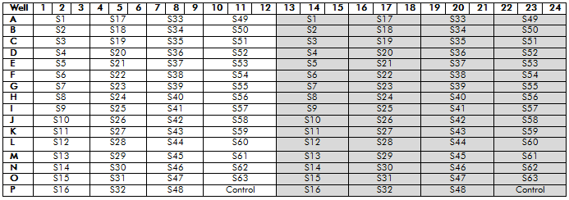

3. Dilute each Sample gDNA or Control gDNA separately with RNase-/DNase-free water according to the Table below.
Component | Volume
Genomic DNA (Control or Sample) | 2 μL
RNase-/DNase-free water | 14 μL
Total volume | 16 μL

4. Dispense 2μL of each diluted Sample gDNA or Control gDNA into the appropriate wells according to the Layout described in step 2 above. Sample 1 (S1) occupies wells A01 through A03 for Assay100 (white cells) and A13 through A15 for Assay200 (shaded cells). Sample 2 (S2) occupies wells B01 through B03 and B13 through B15, and so on up to the number of Samples being processed. The diluted Control gDNA MUST BE ADDED to Wells P10 through P12 for Assay100 and P22 through P24 for Assay200.
5. Seal the plate, vortex and spin it down.
6. Run the following real-time PCR cycling program:

